Settings
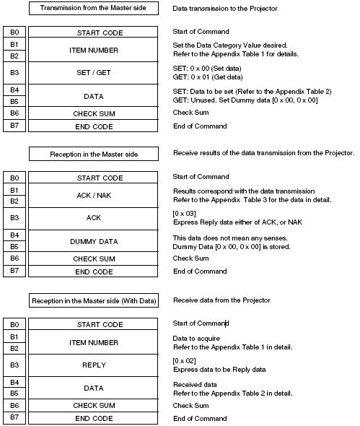
PROJECTORS

RS-232 CONNECTION
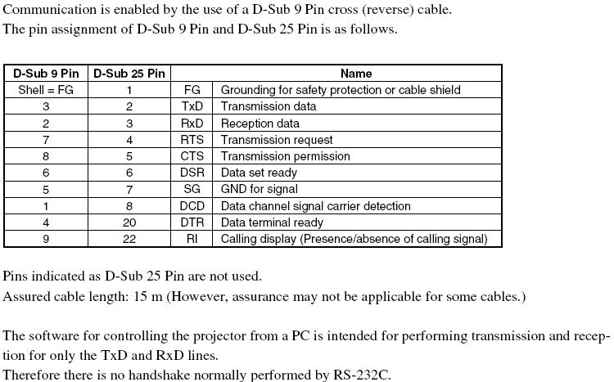

RS-232 COMMUNICATION SPECIFICATION
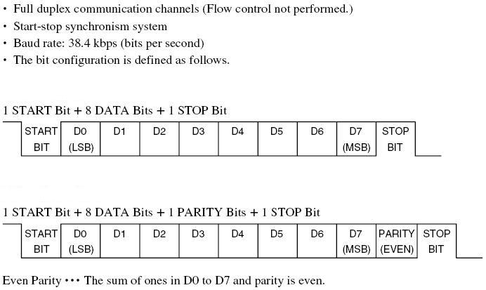

VPL-ES3/EX3

VPL-ES4 / EX4 ; VPL-EX5/EX50/EX5U/EW5

BLOCK FORMAT

